4. Technology View
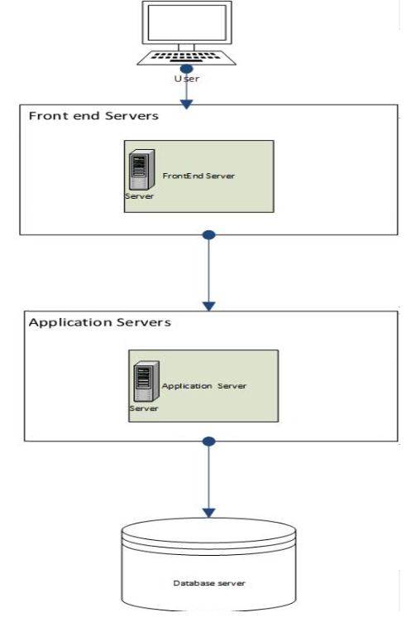
Network Infrastructure Usage
Application Name | Server Type | Load Balancing Enabled | Load Balancing Type | WAF Enabled
Al Inma Investment Internal Portal | Web | Y | Network LB | Yes
Al Inma Investment Internal Portal | Web | Y | Network LB | Yes
Al Inma Investment Internal Portal | APP | Y | APP LB | No
Al Inma Investment Internal Portal | APP | Y | APP LB | No
Al Inma Investment Internal Portal | Search Server | N | NA | No

Checklist:
All server types of the application are listed

Platform & Hardware Usage
Application Name | Server Name | Server IP | [VIP] | Server Virtualization | CPU | Memory | Disk Size | OS Type | OS Version | Location
Al Inma Investment Internal Portal | InvestFE01 |  |  | VMW ESXi | 8 cores | 64GB | 500G | Windows | 2016 | ADC
Al Inma Investment Internal Portal | InvestFE02 |  |  | VMW ESXi | 8 cores | 64GB | 500G | Windows | 2016 | ADC
Al Inma Investment Internal Portal | InvestApp01 |  |  | VMW ESXi | 8 cores | 64GB | 250G | Windows | 2016 | ADC
Al Inma Investment Internal Portal | InvestApp02 |  |  | VMW ESXi | 8 cores | 64GB | 250G | Windows | 2016 | ADC
Al Inma Investment Internal Portal | InvestSrch01 |  |  | VMW ESXi | 8 cores | 64GB | 250G | Windows | 2016 | ADC
Al Inma Investment Internal Portal | InvestDRFE01 |  |  | VMW ESXi | 8 cores | 64GB | 500G | Windows | 2016 | KDC
Al Inma Investment Internal Portal | InvestDRApp02 |  |  | VMW ESXi | 8 cores | 64GB | 500G | Windows | 2016 | KDC

Checklist:
All Production servers are listed
All DR servers are listed

Application Scalability
Application Name | Server Type | No. of Production Nodes | Scalable | Scalability Dimension | [Comment]
Al Inma Investment Internal Portal | FrontEnd | 2 | Y | Both
Al Inma Investment Internal Portal | Application | 2 | Y | Both
Al Inma Investment Internal Portal | Search | 1 | Y | Both
Checklist:
All server types of the application are listed

Application Service Continuity
Application Name | DR | RTO | RPO | Approved DRP
Al Inma Investment Internal Portal | Y | 4H | 24H | N
Checklist:
DR record filled (if the application has a DR)

Application Components Availability
Application Name | Server Type | Production / DR | Availability
Al Inma Investment Internal Portal | FE | Production | AP - Cross Sites
Al Inma Investment Internal Portal | FE | Production | AP - Cross Sites
Al Inma Investment Internal Portal | Application Server | Production | AP - Cross Sites
Al Inma Investment Internal Portal | Application Server | Production | AP - Cross Sites
Al Inma Investment Internal Portal | Search Server | Production | Single Node

Checklist:
All Production server types are listed
All DR server types are listed

Deployment Diagram

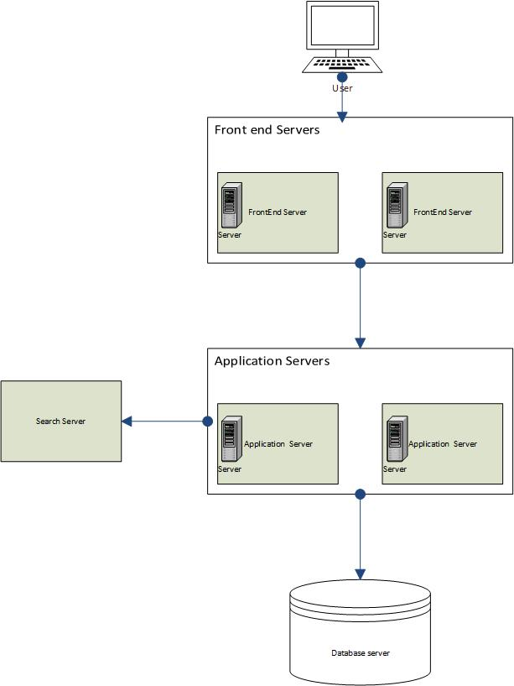

KDC Digram

